Regions
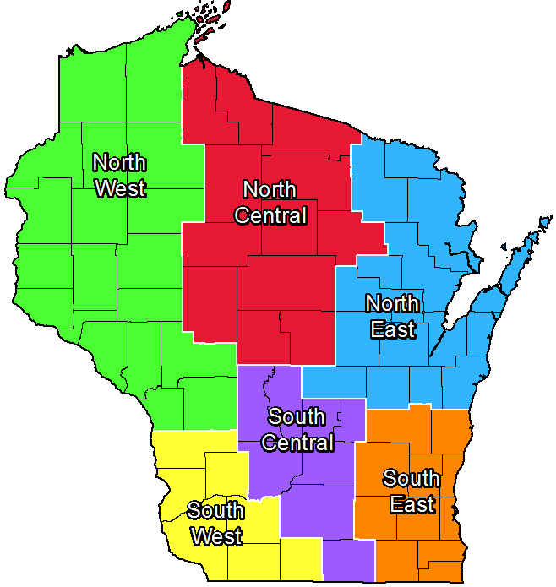
Row Labels
North Central
Ashland
Clark
Iron
Langlade
Lincoln
Marathon
Portage
Taylor
Vilas
Wood
North East
Brown
Calumet
Door
Florence
Forest
Kewaunee
Manitowoc
Marinette
Menominee
Oconto
Outagamie
Shawano
Waupaca
Waushara
Winnebago
North West
Barron
Bayfield
Buffalo
Burnett
Chippewa
Dunn
Eau Claire
Jackson
La Crosse
Monroe
Pepin
Pierce
Polk
Rusk
Sawyer
St. Croix
Trempealeau
Washburn
South Central
Adams
Columbia
Dane
Green Lake
Juneau
Marquette
Rock
Sauk
South East
Dodge
Fond du Lac
Jefferson
Kenosha
Ozaukee
Racine
Sheboygan
Walworth
Washington
Waukesha
South West
Crawford
Grant
Green
Iowa
Lafayette
Richland
Vernon
Statewide
Statewide
Grand Total

